ADMIN
Franchise | GM (since)
McAllen Martins | Russ Baker (1999)
Marquette Sentinels | Bobb Beauchamp (2000)
Traverse City Beavers | Bob Gaynor (2003)
Manitoba Moose | Ray Procwat (2005)
Surrey Eagles | Brent Derbyshire (2006)
Detroit Vipers | John Schutza (2006)
Cape Fear Fire Antz | Tony Doffin (2006)
Trenton Titans | John Foster (2007)
Music City Marauders | Hugh Leach (2008)*
Nunavut Nanuks | Peter Mackey (2008)
Muskegon Ice Muskies | Dave Williams (2009)
Bracknell Blades | Tony Critchley (2012)
Sun Valley Stars | Joe Hornback(2013)
Omomee Outcasts | Norman Fee (2016)
Florida Breakers | Doug Grahm Sr. (2017)
Kenowna Buckaroos | Don MacAlister (2018)
Gatineau Timermen | Dan Payne (2020)
Serenity Valley Browncoats | Del Peterson (2020)
Quebec Aces | Yves Boisjoly (2021)
Lansing Flying Mullets | Daniel Hundley (2022)
Warrensville Penguins | Charles Grahm (2022)
Indiana Toe Picks | John Ausec (2024)
Fort Mill Yellow Jackets | Richard Jensen (2025)
Broome Dusters | Brendan McCormick (2025)

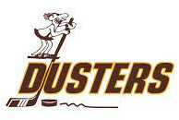
Team | GM/Owner | email
Bracknell Blades | Tony Critchley (2012) | topcat33@googlemail.com
Broome Dusters | Brendan McCormick (2025) | bpmccormick85@gmail.com
Cape Fear Fire Antz | Tony Doffin (2006) | tonydoffin@gmail.com
Detroit Vipers | John Schutza (2006) | jschutza1@comcast.net
Florida Breakers | Doug Grahm Sr. (2017) | grahmd@bellsouth.net
Fort Mill Yellow Jackets | Richard Jensen (2025) | rjj2663@gmail.com
Gatineau Timermen | Dan Payne (2020) | dpayne11@bell.net
Indiana Toe Picks | John Ausec (2024) | johnausec21@gmail.com
Kelowna Buckaroos | Don MacAlister (2018) | donmac26@shaw.ca
Lansing Flying Mullets | Daniel Hundley (2022) | daniel.hundley85@gmail.com
Manitoba Moose | Ray Procwat (2005) | procwat@mcmaster.ca
Marquette Sentinels | Bobb Beauchamp (2000) | beauchampbobb@gmail.com
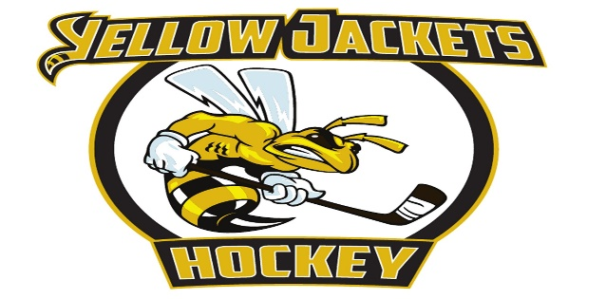
McAllen Martins | Russ Baker (1999) | hmsrk@aol.com
Music City Marauders | Hugh Leach (2008)* | mcmarauder@att.net
Muskegon Ice Muskies | Dave Williams (2009) | dphantom3@hotmail.com
Nunavut Nanuks | Peter Mackey (2008) | nunavutfhl@gmail.com
Omomee Outcasts | Norman Fee (2016) | normfee@rogers.com
Quebec Aces | Yves Boisjoly (2021) | yboisjoly@shaw.ca
Serenity Valley Browncoats | Del Peterson (2020) | deltree13@gmail.com
Sun Valley Stars | Joe Hornback(2013) | SunValleyStars@outlook.com
Surrey Eagles | Brent Derbyshire (2006) | bderbyshire55@gmail.com
Traverse City Beavers | Bob Gaynor (2003) | rfg917@yahoo.com
Trenton Titans | John Foster (2007) | jsf618@comcast.net
Warrensville Penguins | Charles Grahm (2022) | charles.grahm@yahoo.com

